Calculator
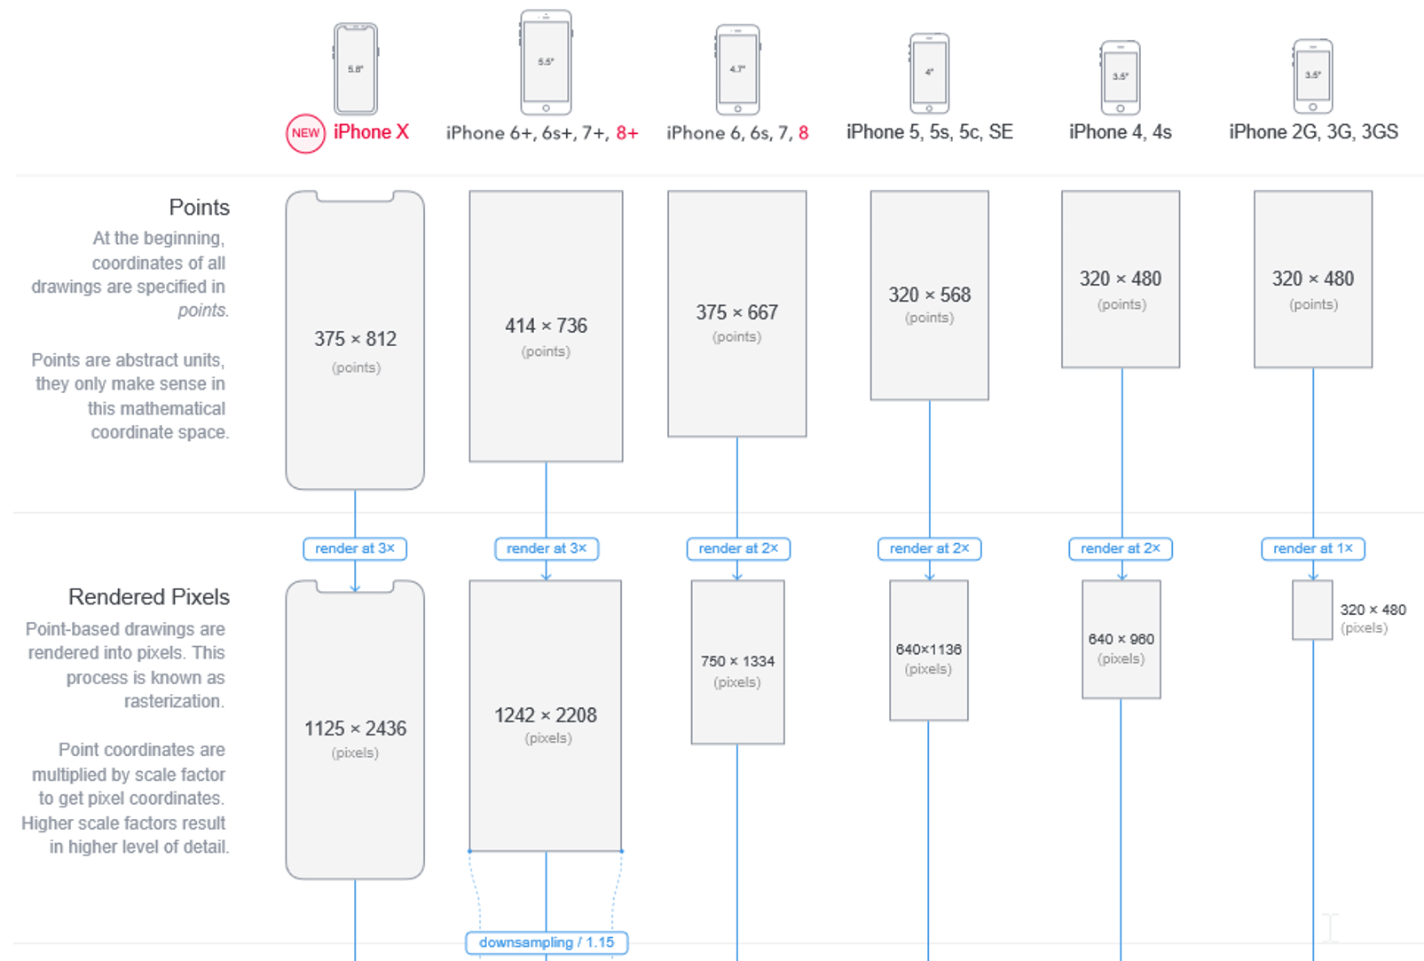 |  |  |  |  |  | 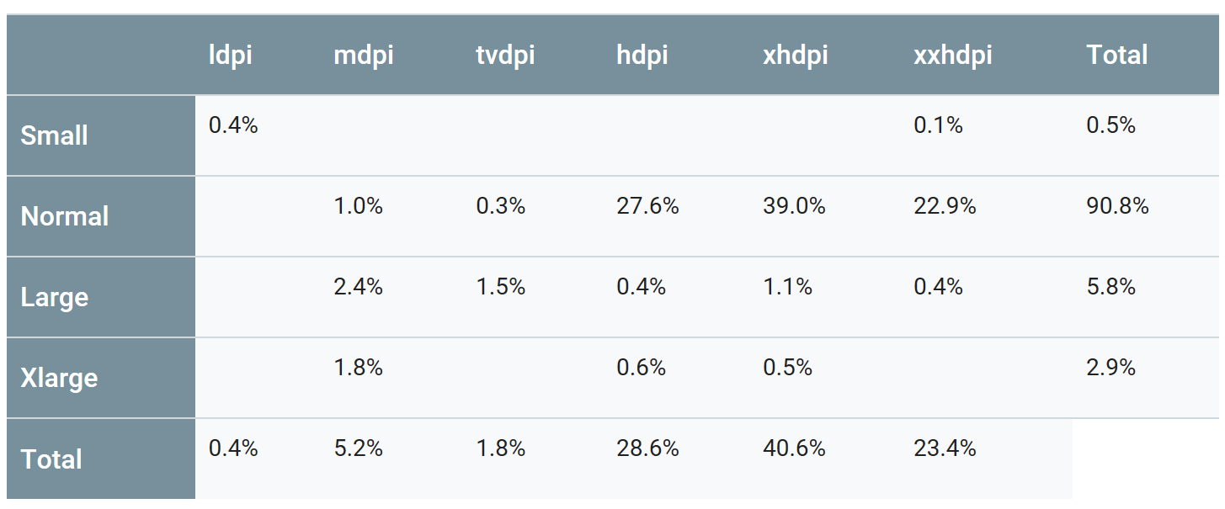 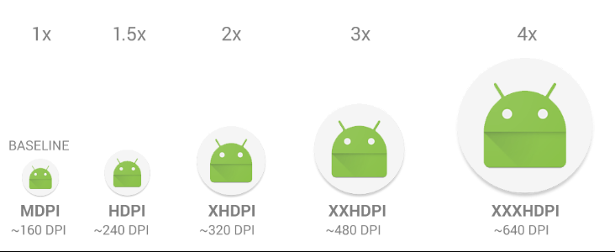
https://www.paintcodeapp.com/news/ultimate-guide-to-iphone-resolutions |  |  |  |  |  |  | https://developer.android.com/training/multiscreen/screendensities

 | Pixel | DPI |  | 4, 4S |  |  | Legacy | Android
iOS PD | 1 | 163 |  | 5, 5s, 5c, SE | 6+, 6s+, 7+, 8+ |  | Poco usato
Android DP | 1 | 160 | 2G, 3G, 3GS | 6, 6s, 7, 8 | iPhone X |  | Molto usato

From Apple DP |  | DPI | 163 | 326 | 489 |  | DPI | 120 | 160 | 240 | 320 | 480 | 640

Asset |  | DP | Pixel | Pixel@2x | Pixel@3x | Asset | DP | LDPI | MDPI | HDPI | XHDPI | XXHDPI | XXXHDPI
Width |  | 320 | 320 | 640 | 960 | Width | 314.11 | 236 | 314 | 471 | 628 | 942 | 1,256
Height |  | 439 | 439 | 878 | 1,317 | Height | 430.92 | 323 | 431 | 646 | 862 | 1,293 | 1,724

From Android DP |  | DPI | 163 | 326 | 489 |  | DPI | 120 | 160 | 240 | 320 | 480 | 640

Asset |  | DP | Pixel | Pixel@2x | Pixel@3x | Asset | DP | LDPI | MDPI | HDPI | XHDPI | XXHDPI | XXXHDPI
Width |  | 24.45 | 24 | 49 | 73 | Width | 24 | 18 | 24 | 36 | 48 | 72 | 96
Height |  | 24.45 | 24 | 49 | 73 | Height | 24 | 18 | 24 | 36 | 48 | 72 | 96

From XXXHDPI |  | DPI | 163 | 326 | 489 |  | DPI | 120 | 160 | 240 | 320 | 480 | 640

Asset |  | DP | Pixel | Pixel@2x | Pixel@3x | Asset | DP | LDPI | MDPI | HDPI | XHDPI | XXHDPI | XXXHDPI
Width |  | 326.00 | 326 | 652 | 978 | Width | 320.00 | 240 | 320 | 480 | 640 | 960 | 1,280
Height |  | 489.00 | 489 | 978 | 1,467 | Height | 480.00 | 360 | 480 | 720 | 960 | 1,440 | 1,920

